Graphs and Insights
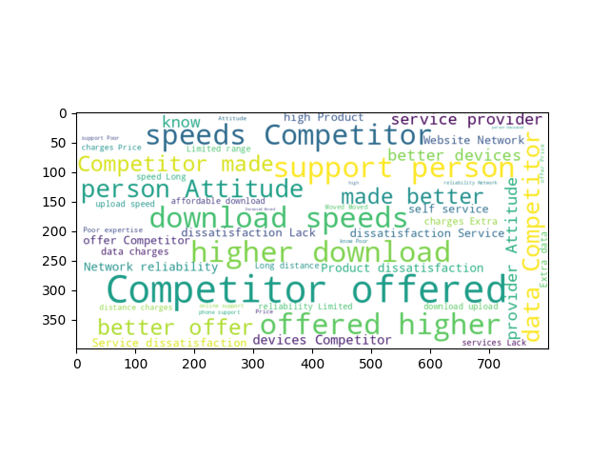

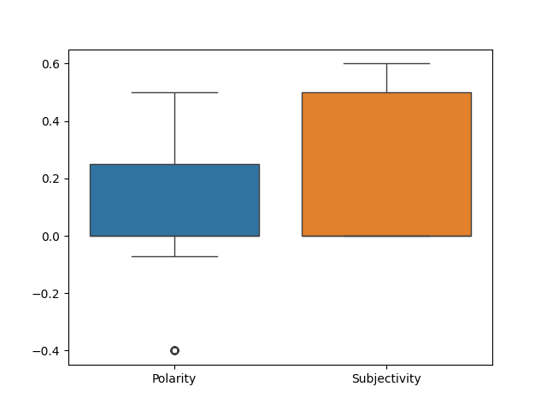

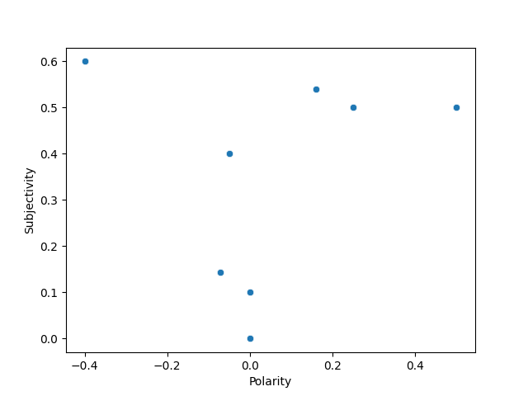

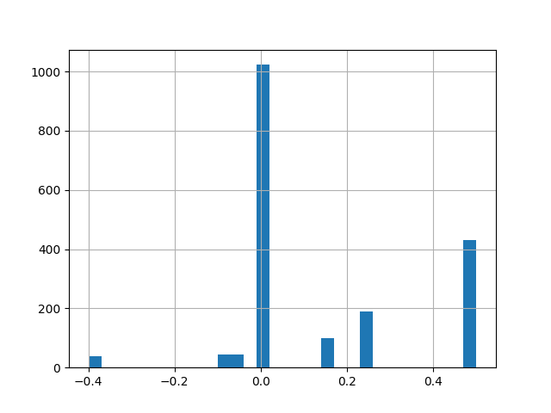

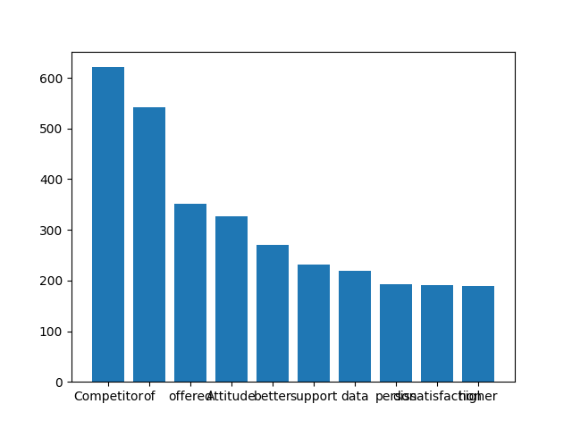

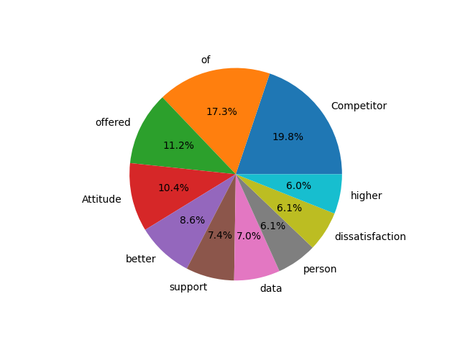
Average Polarity: 0.14
Average Subjectivity: 0.22
Advice:
The overall sentiment is neutral or positive, indicating general satisfaction.
ADVICE: Continue to provide good service and proactively address potential issues.

